1. Title Page
[Instacart Grocery Basket Analysis]

Project Name: Insatacart Grocery Basket Analysis
Date: 05/10/23
Analyst Name: Mélissa Touré

Contents:
Population Flow
Consistency checks
Wrangling steps
Column derivations
Visualizations
Recommendations

2. Population Flow
Title page

Population flow

Exclusion flag
Condition: max_order < 5
Obervations to be removed: 206 225
Final total count of order_products_all: 32 404 859

Orders_products_combined
Orders_products_merged
Orders_products_all

Total: 32 404 859
Total: 32 434 489
Total: 32 404 859

1.) The grey boxes in the first row of the population flow represent the original data sets as they were when you downloaded them. In the Total fields you need to add the count of the rows when you imported the data set into Jupyter.
2.) The second row of boxes (coloured) represents the data sets after you manipulated them, e.g., removed missing values and duplicates. In the Total fields you need to add the count of the rows after conducting these operations. This offers a visual oveview of how the data flows throughout the data consistency checks.
3.) The third row, where also the arrows are coloured, represents the merges you performed between the datasets. In the Total fields you need to add the count of the rows in the merged datasets, so that you end up with the final dataset (in the red box). Keep in mind the final dataset should be without exclusions (based on the exclusion flag).

3. Consistency checks
 |  |  |  | Title page
Consistency checks

Dataset | Missing values | Missing values treatment | Duplicates
orders | 206 209 missing values | No action taken since there was a logical explanation : the values were missing because there were matching the first order. | None
products | 16 missing values | All values excluded | 5 duplicates found + deleted
orders_products_prior | No missisng value found | / | None
customers | No missisng value found | / | None

4. Wrangling steps
 |  |  |  | Title page
Wrangling steps

Columns dropped | Columns renamed | Columns' type changed | Comment/Reason
first_name |  |  | In accounrdance with PII
last _name |  |  | In accounrdance with PII
n_dependant (however merged it back in the table for further analysis) |  |  | Seemed irrelevant at the beginning - merged back since needed for further analysis
 | 'State' : 'state' |  | Consistency
 | Gender' : 'gender' |  | Consistency
 | date_joined' : 'date' |  | Consistency & better understanding
 | Age' : 'age' |  | Consistency
 | fam_status' : 'famjily_status' |  | Consistency & better understanding
 |  | oder_id' | Changed into str'/string
 |  | user_id' | Changed into str'/string

5. Column derivations
 |  |  |  | Title page

Column derivations and aggregations

In this tab you should add tables below that the frequences of flags/label variables that you produced after deriving them. NB: don't do this for continuous variables, only for flags.
Dataset | New column | Column/s it was derived from | Conditions
order_producs_mergerd_new_version.pkl | price_range_loc | prices | Low range products : prices <= 5 Mid range products : prices >5 & <= 15 High range product : prices > 15
order_producs_mergerd_new_version.pkl | busiest_day | order_dow | Busiest days : order_dow = 0 or 1 Slowest days : order_dow = 3 or 4 Regularly busy : all else
order_producs_mergerd_new_version.pkl | busiest_preiod_of_day | order_hour_of_day | Most orders : value in 10,11,14,15,13,12,26,9 Fewest orders : value in 23,6,0,1,5,2,4,3 Average order : all else
order_producs_mergerd_new_version_task_4.8.pkl | loyalty_flag | max_order | Loyal customer : max_order > 40 Regular customer : max_order <= 40 & > 10 New customer : max_order <= 10
order_producs_mergerd_new_version_task_4.8.pkl | frequency_flag | days_since_prior_order_median | Non-frequent customer : median days > 20 Regular customer : median_days <= 40 & >10 Frequent customer : median_days <= 10
df_instacart_merge_updated_final_report.pkl | Region | state | Organized in accordance with the regions in the existing US' states
df_instacart_merge_updated_final_report.pkl | Spending_flag | price mean | Low spender : avg price < 10 High spender : avg >= 10
df_instacart_merge_updated_final_report.pkl | customer_activity_excl_flag | order number | Low activity < 5 High activity >= 5
df_instacart_merge_updated_final_report.pkl | age_group | age | 18-29 / 30-39 / 40-49 / 50-59 / 60-69 / 70 +
df_instacart_merge_updated_final_report.pkl | income_group | income | low income : <=67004.0 middle income : > 67004.0 & <= 128000.0 high income : > 128000.0 & <= 300500.0 very high income : >= 300500.0
df_instacart_merge_updated_final_report.pkl | n_dependant_group | n_dependants | No children == 0 Young parents : >=1 Big family : >= 2
df_instacart_merge_updated_final_report.pkl | department | department_id | merged the departement dictionnary

6. Visualizations
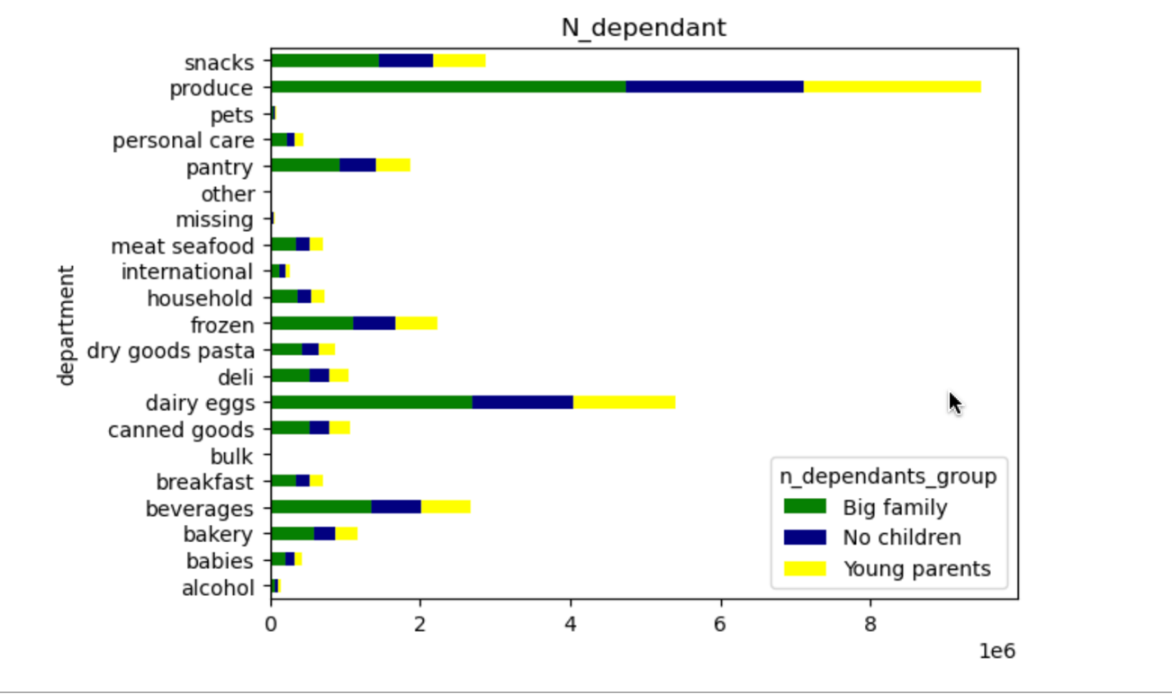
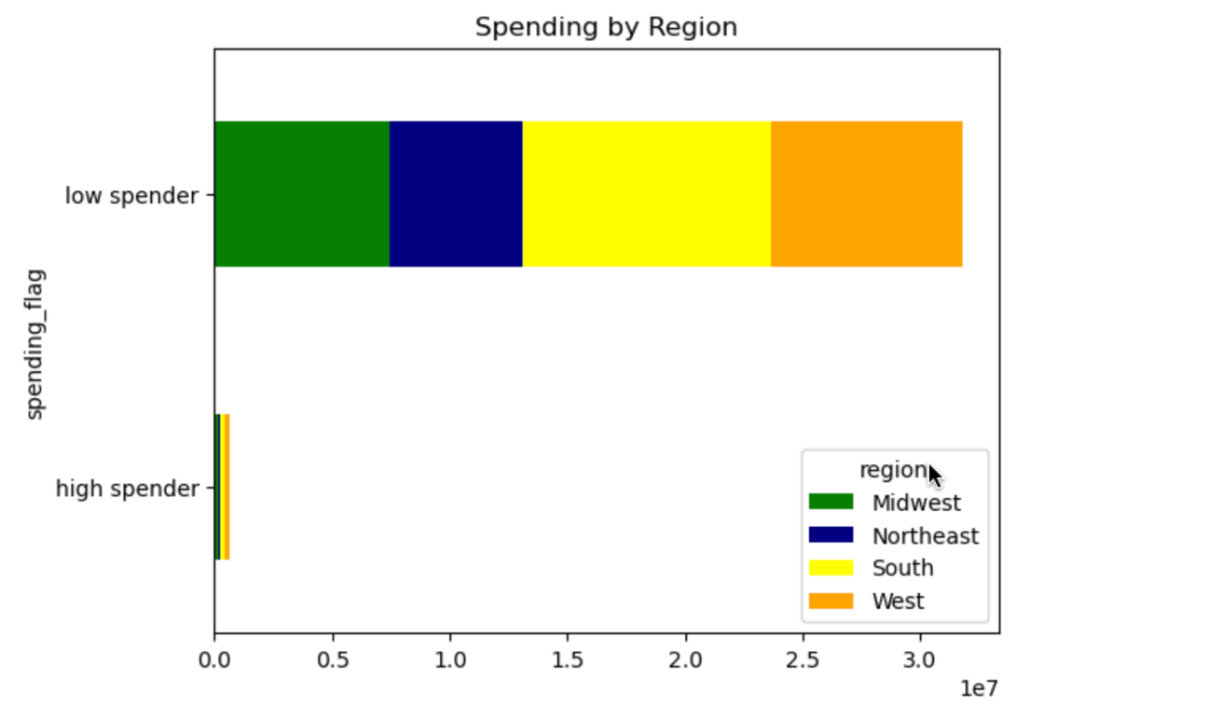
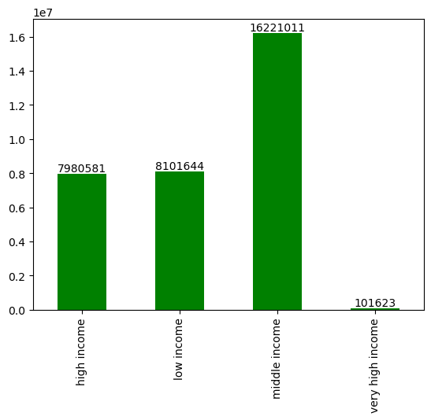
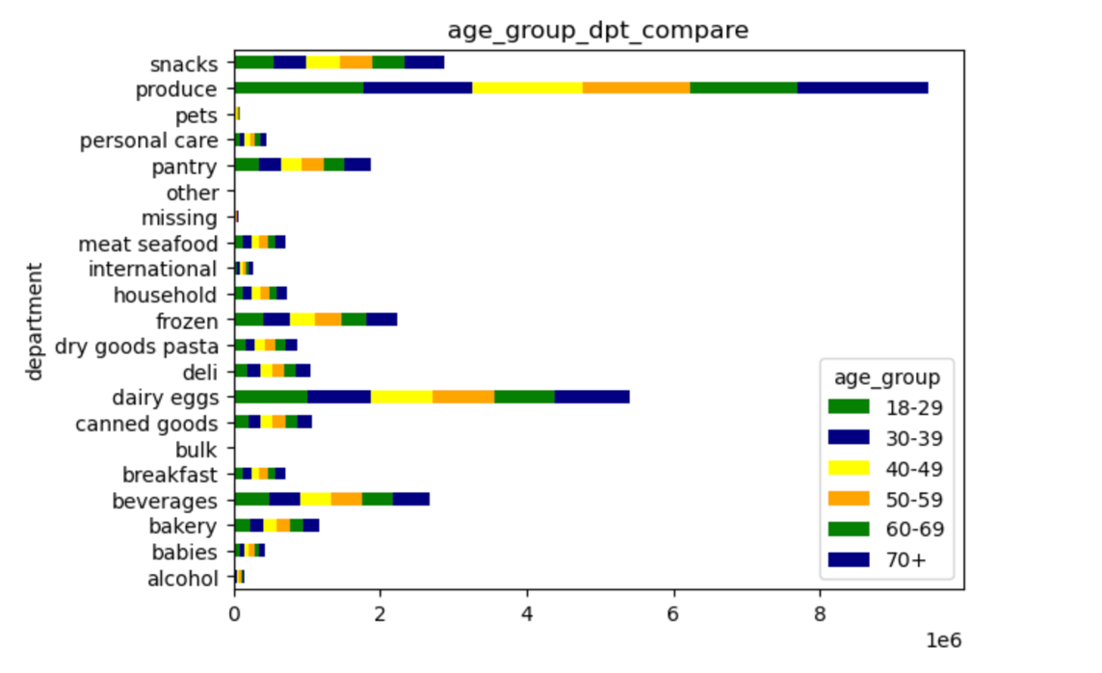

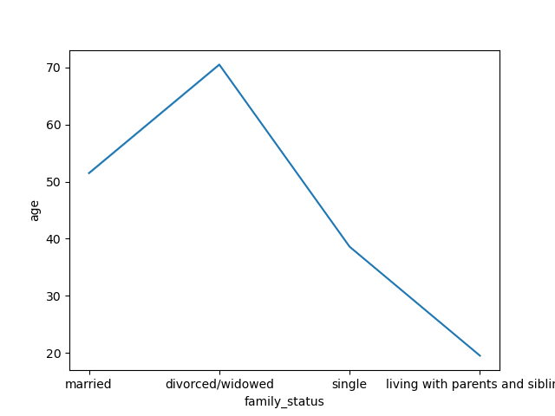
 | Title page

Visualisations

In this tab you should include all the visualtions from Exercises 4.9 and 4.10, alongside the questions from the project brief that they answer. Include any commentary on the relationship between different variables.

Q1: The sales team needs to know what the busiest days of the week and hours of the day are (i.e., the days and times with the most orders) in order to schedule ads at times when there are fewer orders. + Q2 : They also want to know whether there are particular times of the day when people spend the most money, as this might inform the type of products they advertise at these times.



The following histogram shows the number of orders per hour during the day. We can notice that, overall, the orders are higher from 10.00 am to around 15.00 pm. After 15.00 pm, we can notice a sharp decline.

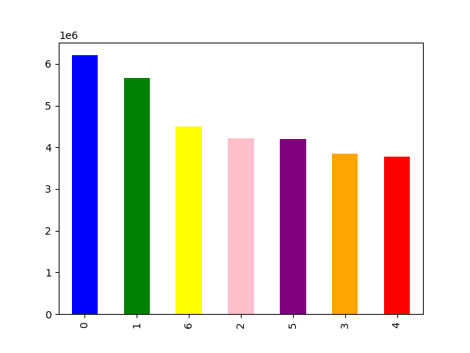

The following bar chart shows the number of orders per day of the week. We can notice that , overall, the busiest days are on saturday, sunday and friday.

Q3 : Instacart has a lot of products with different price tags. Marketing and sales want to use simpler price range groupings to help direct their efforts.

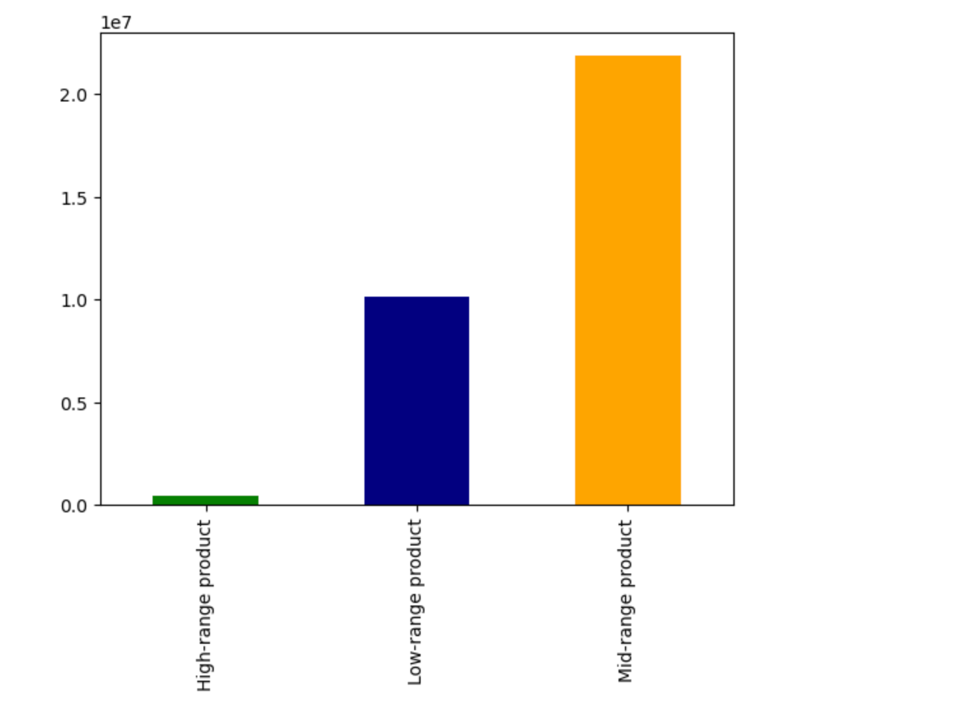

According to this bar chart, the customers tend to buy more products with a mid-range price than others. Expensive products have a very low sales rate compared to the other range prices.

Q4 :Are there certain types of products that are more popular than others? The marketing and sales teams want to know which departments have the highest frequency of product orders.

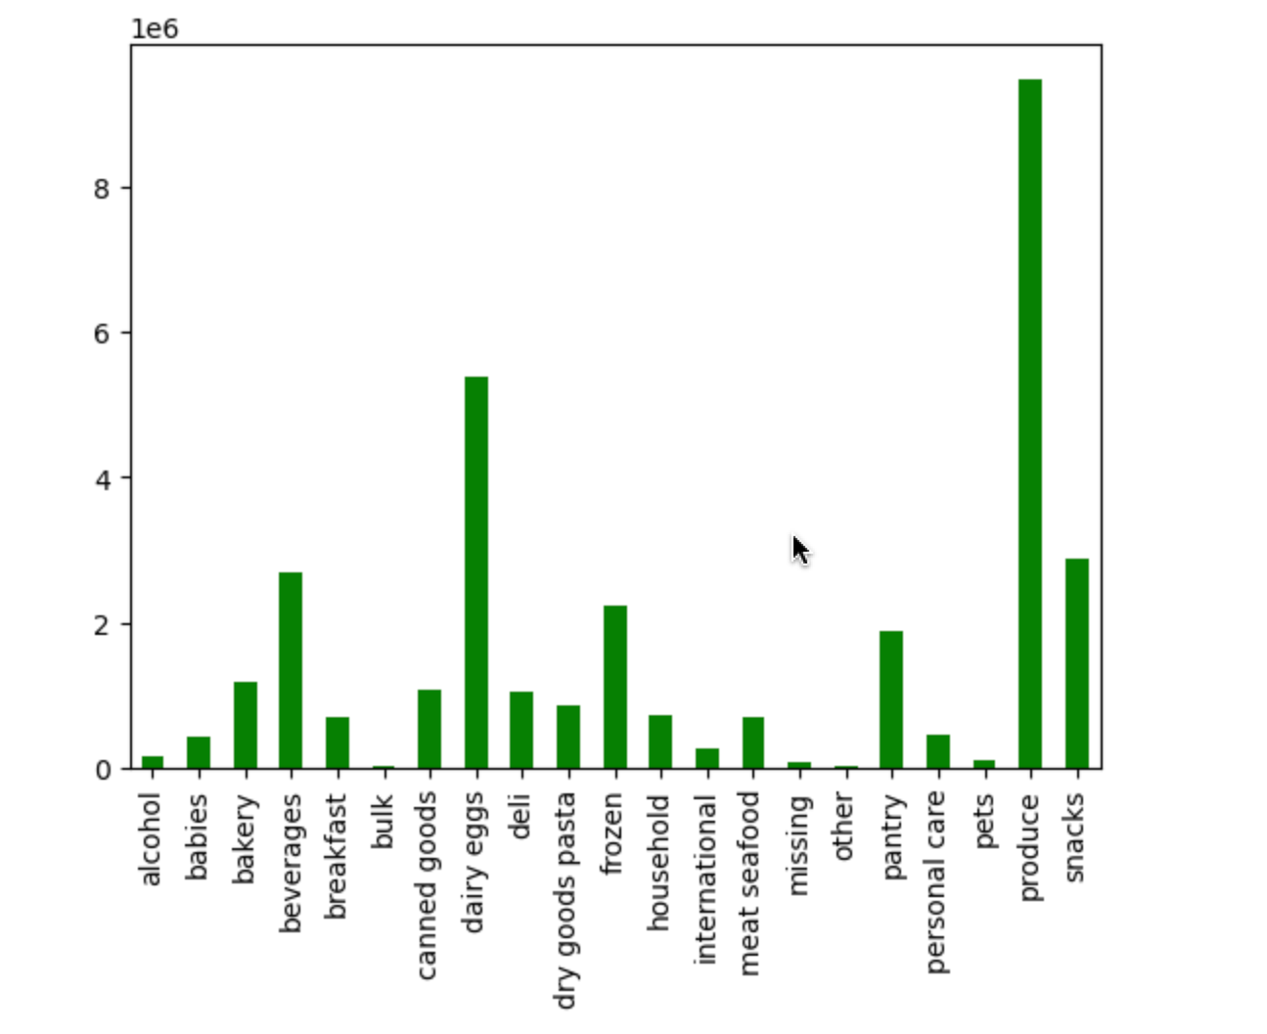

# Top products : produce and dairy eggs.

Q5: What’s the distribution among users in regards to their brand loyalty (i.e., how often do they return to Instacart)?

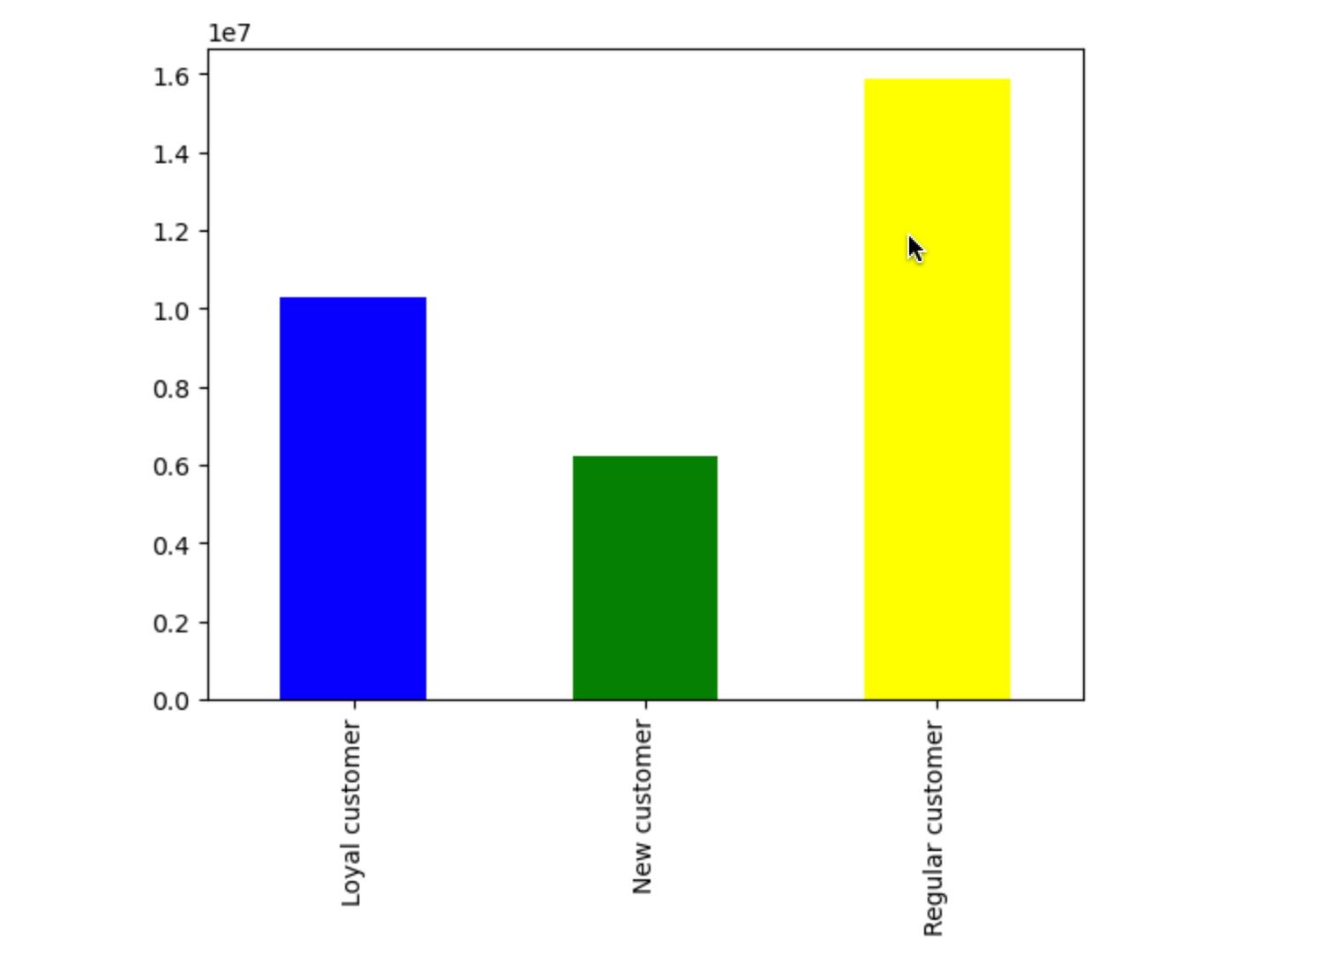

Regular customer base are the most solid customers of the brand.

Q6: Are there differences in ordering habits based on a customer’s region? Is there a connection between age and family status in terms of ordering
habits?

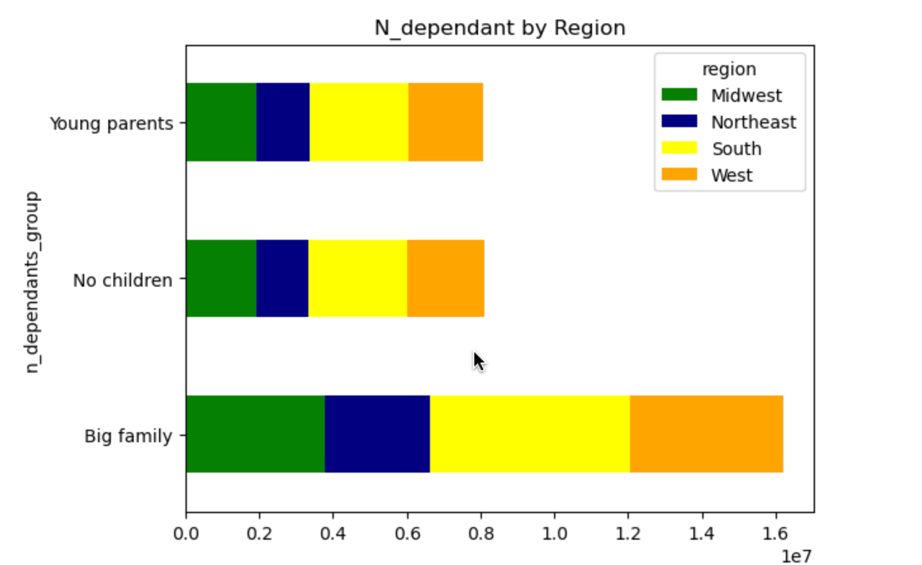

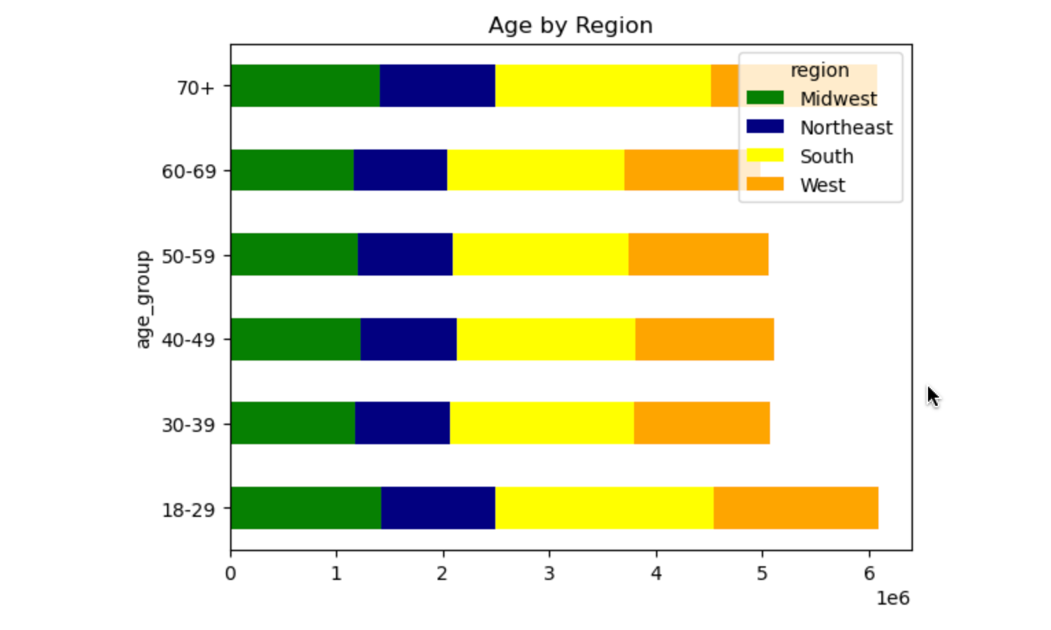

The region of the south has the most customer’s activity. Big Family in general orders more than the other two groups. In terms of age, the young from 18 to 29 years old and the elders from 70+ order the most.

Q7: What differences can you find in ordering habits of different customer profiles? Consider the price of orders, the frequency of orders, the products customers are ordering. What different classifications does the demographic information suggest? Age? Income? Certain types of goods? Family status?

7. Recommendations
 |  |  | Title page

Recommendations

In this tab you should include any recommendations you would made to Instcart in terms of their marketing strategy based on the questions posed in the brief.
Every key question has been covered in the Tasks of the Exercises - here you need to add an item - a visualisation or table/crosstable that is showing the answer in the data, acompanied by a comment from you.
Please, list the questions below and add the answer underneath.

Questions | Results | Recommendations
Q1 : The sales team needs to know what the busiest days of the week and hours of the day are (i.e., the days and times with the most orders) in order to schedule ads at times when there are fewer orders. Q2 : They also want to know whether there are particular times of the day when people spend the most money, as this might inform the type of products they advertise at these times. | * Overall, the orders are higher from 10.00 am to around 15.00 pm. After 15.00 pm, we can notice a sharp decline. *The busiest days are on saturday, sunday and friday. | A1 : Regarding the chart,, I would recommend to advertise the products during the slowest time, notably from 15.00 pm to 22.00 pm during the days where there are less activities to run information on products. A2 : Regarding the chart, people spend more money from 10.00 am to 15.00 pm.
Q3 : Instacart has a lot of products with different price tags. Marketing and sales want to use simpler price range groupings to help direct their efforts. | *Most orders on mid-range products | A3 : Mid & low range products sell well. I would then recommend focusing on marketing strategies on high range products. Ex : Discounts or package offers to encourage buyers to buy those products.
Q4 :Are there certain types of products that are more popular than others? The marketing and sales teams want to know which departments have the highest frequency of product orders. | *Most popular are : products, dairy eggs, snacks, frozen, beverages. Produce and dairy eggs have the highest number. | A4 : Most popular are : products, dairy eggs, snacks, frozen, beverages. Produce and dairy eggs have the highest number. I would recommend promoting other products a bit more, also trying to encourage buying with promotions, packages offers or loyalty cards. Create more ads on the other products.
Q5: What’s the distribution among users in regards to their brand loyalty (i.e., how often do they return to Instacart)? | *Top orders from regular customer | A5: Regular customer base are the most solid customers of the brand, followed by loyal customers. I would say to focus on turning new customers into loyal customers and regular into loyal, by for example creating a reward and gifts strategy or loyalty cards, accounts, special offers based on points system.
Q6: Are there differences in ordering habits based on a customer’s region? Is there a connection between age and family status in terms of ordering habits? | *South : regions with the most orders * Most orders : big families + the young from 18 to 29 years + the elders from 70+ | A6 : Big families (=people with more than 1 child) + the young from 18 to 29 years old and the elders from 70+ order the most spend the most in general. The South is the region with the most buyers per each category. Young parents spend less than big families or single people. I would then recommend investing more in promotion to young parents (ex: discounts, offers on targeting products, sensitive message to young parenting, ect.)
Q7: What differences can you find in ordering habits of different customer profiles? Consider the price of orders, the frequency of orders, the products customers are ordering. What different classifications does the demographic information suggest? Age? Income? Certain types of goods? Family status? | *Young have less income than elders *Most young are single *More ‘low spender’ than high ones. *Income is fairly distributed by regions. *Big family spent the most | A7 : We can notice that it seems there is a small correlation between income, age and order. Indeed, the correlation charts shows that young people have less income then elders, the more the age grows the more the income people have. However, we can see that in terms of orders young people order the most with the people 70+. We can then assume that income does not influence the spending habits then. Family members seem to have an influence on spending though, the bigger the family the more the spending. As for the regions, the south is the region with the most orders and buyers activity followed by the West. As for the income, the range is daily distributed by regions, with slight differences per range.

